Script
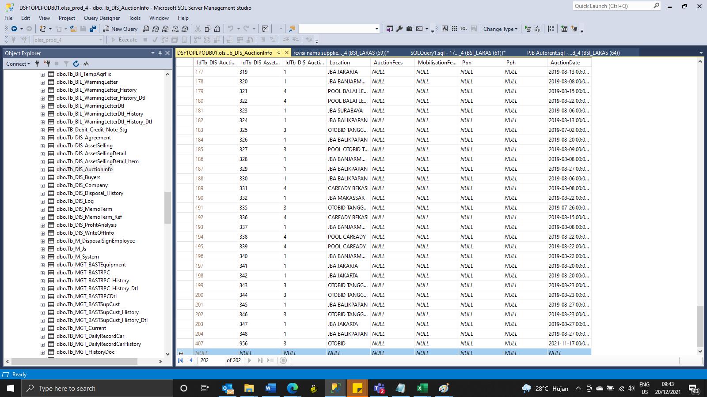
Insert Tb_DIS_AuctionInfo

update Tb_DIS_AssetSelling set NextActionBy = 'IRMA VERDIAN' where Memonumber = '00247/COP/12/2021'
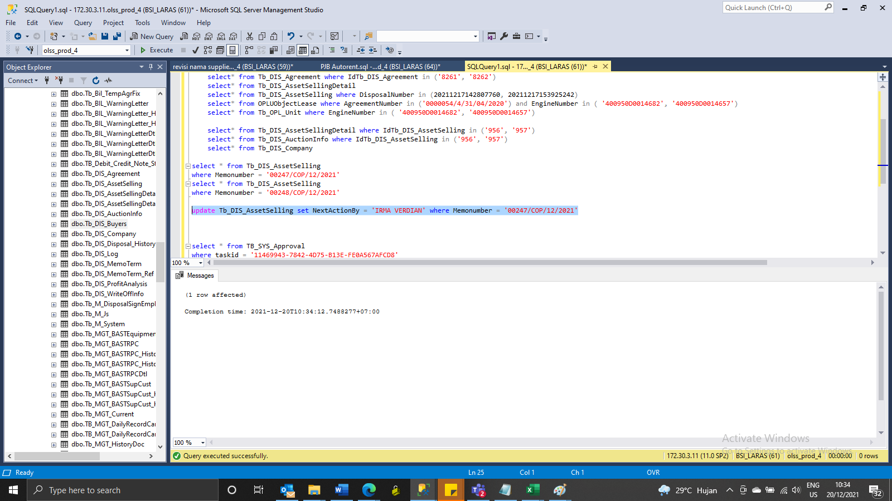

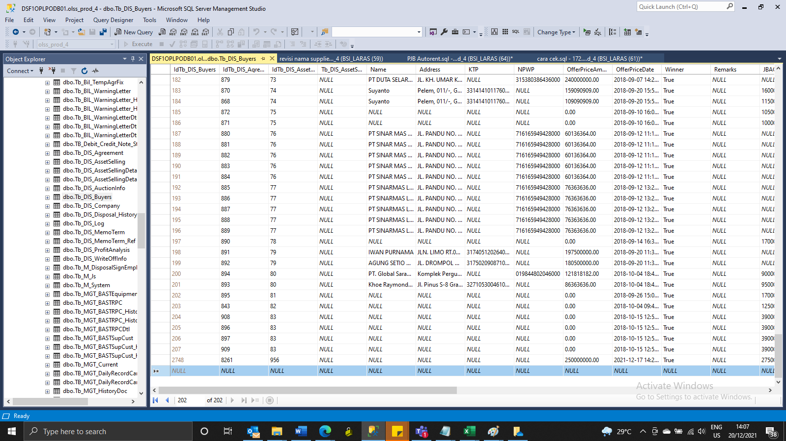

INSERT Tb_DIS_Buyers

SS
BEFORE
00253/AUC/12/2021

AFTER

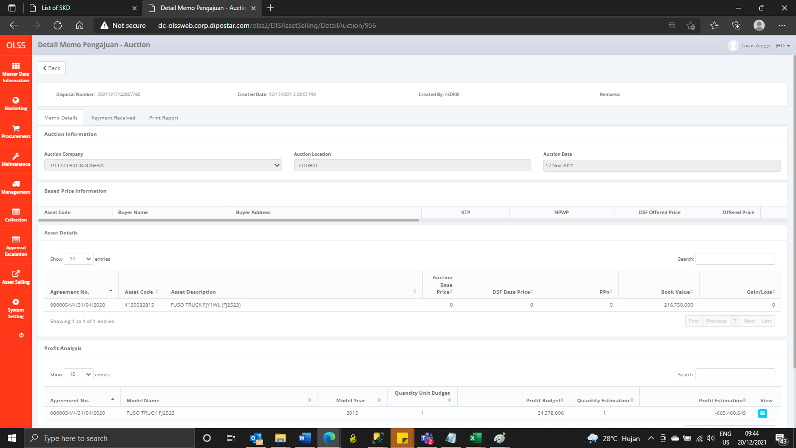

BEFORE

AFTER

